1. Title Page
[Supermarket Data Sweep

Project Name: Supermarket Data Sweep
Date: 12/19/2023
Analyst Name: Joseph Anthony

Contents:
Population Flow
Consistency checks
Wrangling steps
Column derivations
Visualizations
Recommendations

2. Population Flow
Title page

Population flow

Exclusion flag
Condition: max_order > 5
Obervations to be removed: Removed customers who have made less than 5 orders.
Final total count of order_products_all: 30992655

Orders_products_combined
Orders_products_merged
Orders_products_all

Total: 32434212
Total: 32434489
Total: 30992655

1.) The grey boxes in the first row of the population flow represent the original data sets as they were when you downloaded them. In the Total fields you need to add the count of the rows when you imported the data set into Jupyter.
2.) The second row of boxes (coloured) represents the data sets after you manipulated them, e.g., removed missing values and duplicates. In the Total fields you need to add the count of the rows after conducting these operations. This offers a visual oveview of how the data flows throughout the data consistency checks.
3.) The third row, where also the arrows are coloured, represents the merges you performed between the datasets. In the Total fields you need to add the count of the rows in the merged datasets, so that you end up with the final dataset (in the red box). Keep in mind the final dataset should be without exclusions (based on the exclusion flag).

3. Consistency checks
 |  |  |  | Title page
Consistency checks

Dataset | Missing values | Missing values treatment | Duplicates
orders | There were 206209 missing values for days_since_prior_order | I created a new flag since this appeared to be a new customer function | No duplicates found
products | 16 product_name values missing | Left as is, since they had other identifying markers that could provide insight | 5 duplicates found and removed
orders_products_prior | No missing values | N/A | None
customers | First_name had 11259 Missing values | Names were deleted anyway for security purposes | None

4. Wrangling steps
 |  |  |  | Title page
Wrangling steps

Columns dropped | Columns renamed | Columns' type changed | Comment/Reason
 |  | user_id | changed from integer to string
 | order_DOW |  | changed to "order_day_of_week"
unnamed: 0 |  |  | dropped because it was unncessary
unnamed: 0.1 |  |  | dropped because it was unncessary
_merge |  |  | dropped because it was unncessary
 | STATE |  | changed to "State"
 | n_dependants |  | changed to "dependents" to fix typo and make more succinct
 | Surnam |  | changed to last name
First_name |  |  | Security Risk
Last_name |  |  | Security Risk

5. Column derivations
 |  |  |  | Title page

Column derivations and aggregations

In this tab you should add tables below that the frequences of flags/label variables that you produced after deriving them. NB: don't do this for continuous variables, only for flags.
Dataset | New column | Column/s it was derived from | Conditions
orders_products_merged.pkl | price_range | prices | def price_label(row): if row['prices'] <= 5: return 'Low-range product' elif (row['prices'] > 5) and (row['prices'] <= 15): return 'Mid-range product' elif row['prices'] > 15: return 'High range' else: return 'Not enough data'
orders_products_merged.pkl | busiest_day | orders_day_of_week | for value in df_ords_prods_merged["orders_day_of_week"]: if value == 0: result.append("Busiest days") elif value == 1: result.append("Busiest days") elif value == 4: result.append("Least busy days") elif value == 3: result.append("Least busy days") else: result.append("Regularly busy days")
orders_products_merged.pkl | busiest_period_of_day | order_hour_of_day | Busyness = [] for time in df_ords_prods_merged['order_hour_of_day']: if time in [10, 11, 14, 15, 13, 12, 16, 9]: Busyness.append('Most orders') elif time in [23, 6, 0, 1, 5, 2, 4, 3]: Busyness.append('Fewest orders') else: Busyness.append('Average orders')
orders_products_merged 4.7.pkl | loyalty flag | max_order | ords_prods_merged.loc[ords_prods_merged['max_order'] > 40, 'loyalty_flag'] = 'Loyal customer' ords_prods_merged.loc[(ords_prods_merged['max_order'] <= 40) & (ords_prods_merged['max_order'] > 10), 'loyalty_flag'] = 'Regular customer' ords_prods_merged.loc[ords_prods_merged['max_order'] <= 10, 'loyalty_flag'] = 'New customer'
orders_products_merged 4.8.pkl | average_price | user_id & prices | ords_prods_merge['average_price'] = ords_prods_merge.groupby(['user_id'])['prices'].transform(np.mean)
orders_products_merged 4.8.pkl | spending_flag | average_prices | # creating "Spending_flag" for average price < 10 as low spender ords_prods_merge.loc[ords_prods_merge['average_price'] < 10, 'spending_flag'] = 'Low spender' #creating "Spending_flag" for average price >= 10 as High spender ords_prods_merge.loc[ords_prods_merge['average_price'] >= 10, 'spending_flag'] = 'High spender'
orders_products_merged 4.8.pkl | median orders | user_id & days_since_prior_order | ords_prods_merge['median_orders'] = ords_prods_merge.groupby(['user_id'])['days_since_prior_order'].transform(np.median)
orders_products_merged 4.8.pkl | order_frequency_flag | median_orders | ords_prods_merge.loc[ords_prods_merge['median_orders'] > 20, 'order_frequency_flag'] = 'Non-frequent customer' ords_prods_merge.loc[(ords_prods_merge['median_orders'] > 10) & (ords_prods_merge['median_orders'] <= 20), 'order_frequency_flag'] = 'Regular customer' ords_prods_merge.loc[ords_prods_merge['median_orders'] <= 10, 'order_frequency_flag'] = 'Frequent customer'
merged_dataframe 4.92.pkl | Region | State | state_to_region = {'Maine' : 'Northeast', 'New Hampshire' : 'Northeast', 'Vermont' : 'Northeast', 'Massachusetts' : 'Northeast', 'Rhode Island' : 'Northeast', 'Connecticut' : 'Northeast', 'New York' : 'Northeast', 'Pennsylvania' : 'Northeast', 'New Jersey' : 'Northeast', 'Wisconsin' : 'Midwest', 'Michigan' : 'Midwest', 'Illinois' : 'Midwest', 'Indiana' : 'Midwest', 'Ohio' : 'Midwest', 'North Dakota' : 'Midwest', 'South Dakota' : 'Midwest', 'Nebraska' : 'Midwest', 'Kansas' : 'Midwest', 'Minnesota' : 'Midwest', 'Iowa' : 'Midwest', 'Missouri' : 'Midwest', 'Delaware' : 'South', 'Maryland' : 'South', 'District of Columbia' : 'South', 'Virginia' : 'South', 'West Virginia' : 'South', 'North Carolina' : 'South', 'South Carolina' : 'South', 'Georgia' : 'South', 'Florida' : 'South', 'Kentucky' : 'South', 'Tennessee' : 'South', 'Mississippi' : 'South', 'Alabama' : 'South', 'Oklahoma' : 'South', 'Texas' : 'South', 'Arkansas' : 'South', 'Louisiana' : 'South', 'Idaho' : 'West', 'Montana' : 'West', 'Wyoming' : 'West', 'Nevada' : 'West', 'Utah' : 'West', 'Colorado' : 'West', 'Arizona' : 'West', 'New
merged_dataframe 4.92.pkl | age_group | age | age_bins = [18, 25, 35, 45, 55, 65, 75, 85] age_labels = ['18-24', '25-34', '35-44', '45-54', '55-64', '65-74', '75-84'] filtered_df['age_group'] = pd.cut(df['Age'], bins=age_bins, labels=age_labels, right=False)
merged_dataframe 4.92.pkl | income_level | income | income_bins = [25902, 67289, 128101, 593902] income_labels = ['low income', 'middle income', 'high income'] filtered_df['income_level'] = pd.cut(df['income'], bins=income_bins, labels=income_labels, right=False)

6. Visualizations
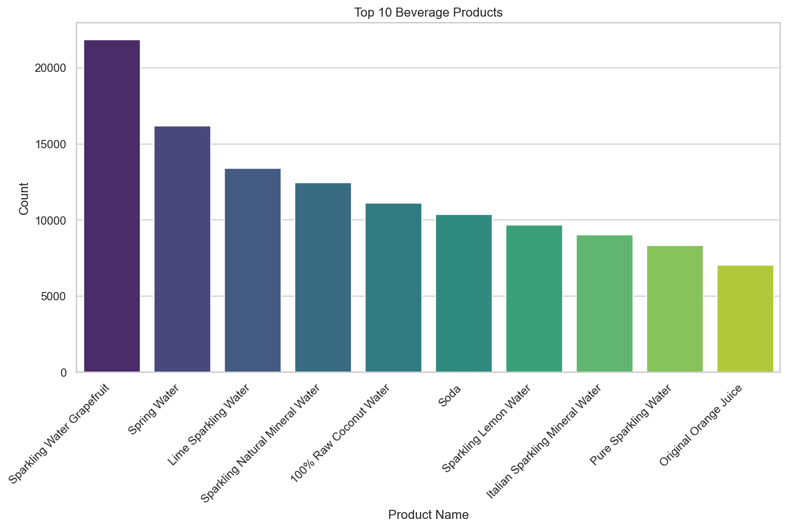
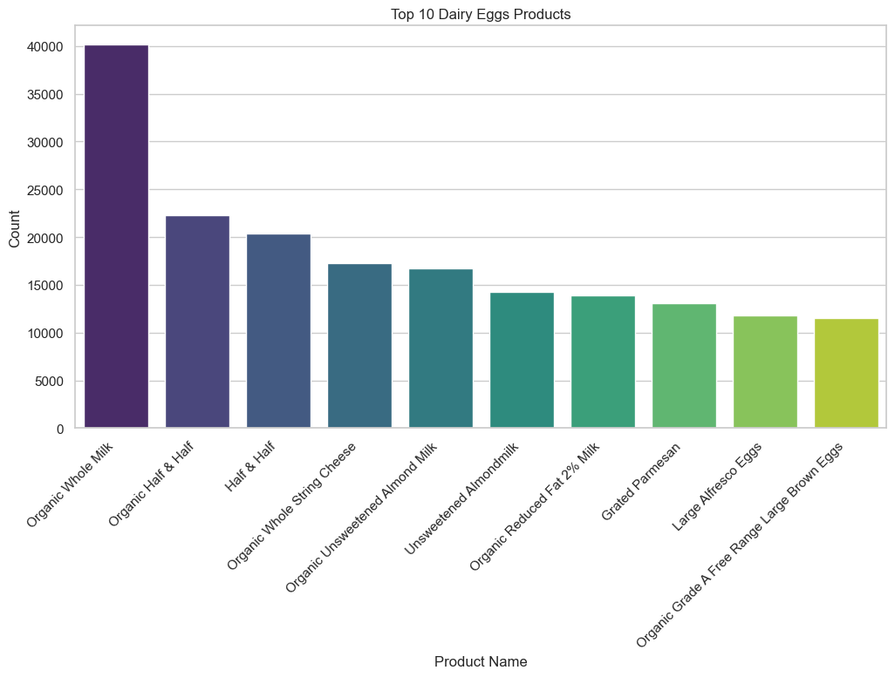
 |  | Title page

Visualisations

In this tab you should include all the visualtions from Exercises 4.9 and 4.10, alongside the questions from the project brief that they answer. Include any commentary on the relationship between different variables.

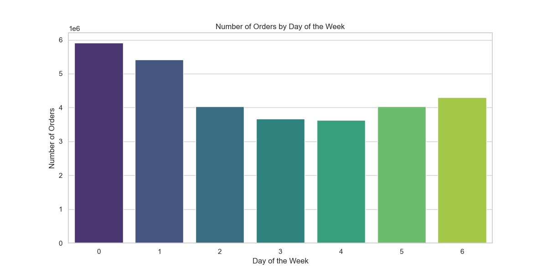

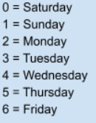

The chart above shows that the most popular days to shop are the weekends, while things are quiet in the middle of the week

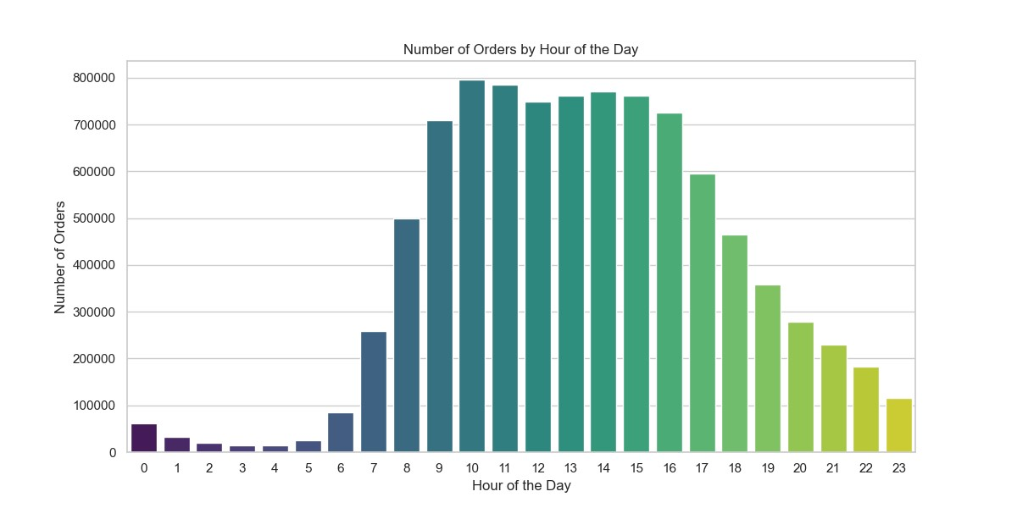

The chart above shows us that hours are busiest in the middle of the day, which can tell us when people expect to have their groceries in the late afternoon/early evening


Prices of Orders Hour of Day
Prices of Orders Day of Week
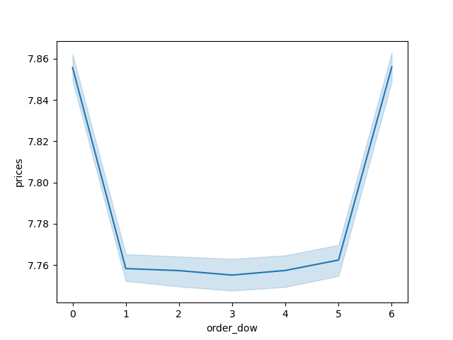

While only a slight variance, this shows us that cheaper items are bought in the middle of the day | This chart shows us that cheaper items are bought during the week, while higher priced items are purchased on the weekends

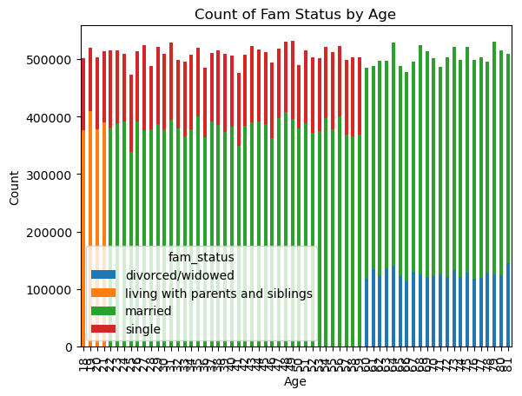

Age and Family Situation

This shows us that the majority of people are married, while there's a distinct cut offs for other family stauses. Only people under 21 are living at home or with siblings, and divorcees/widows are under the age of 60 | There is no correlation between age and number of dependents

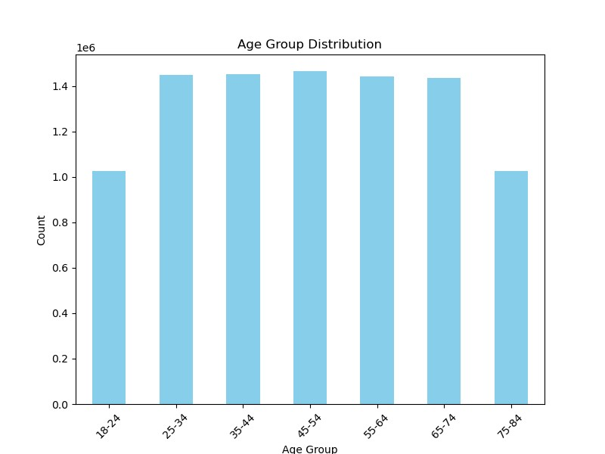

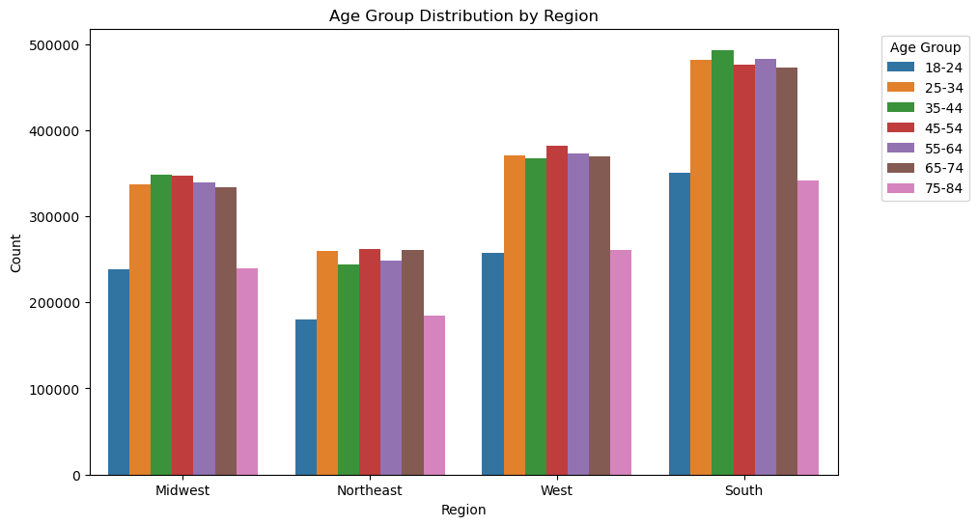

Ages are fairly distributed across the board | The south has the highest population, but keep in mind, it also has the most number of states

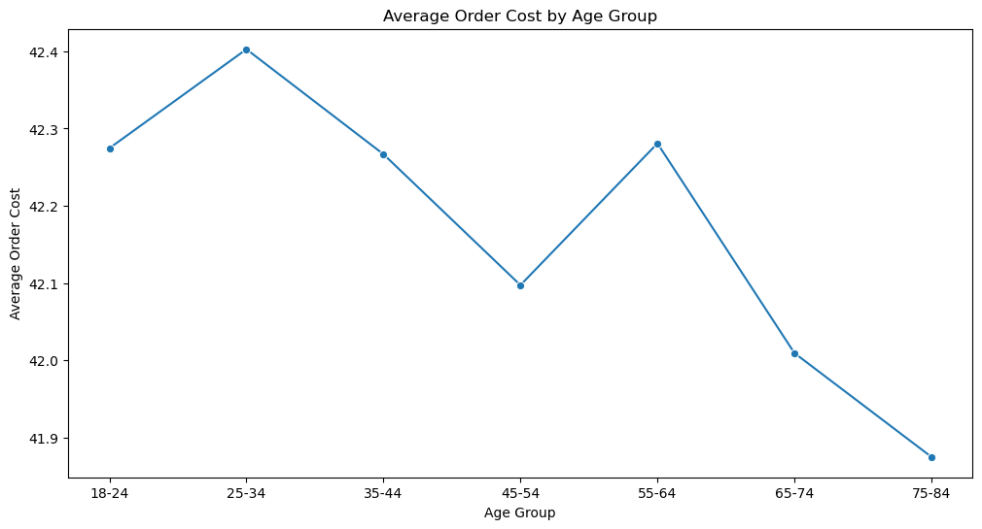

Younger people tend to have more expensive orders and it typically drops with age

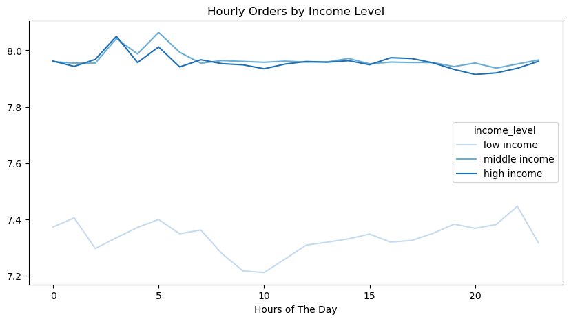
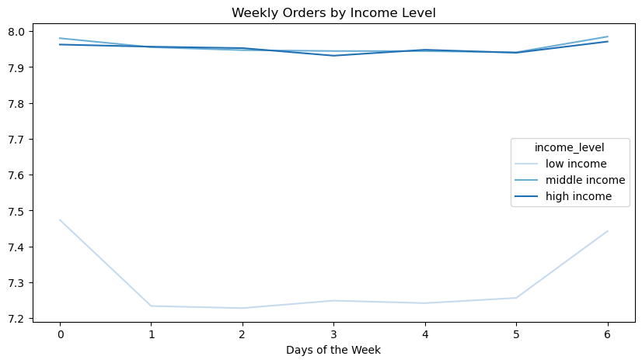

People with middle or higher incomes have a consistent number of orders across the week, while lower income users order more on the weekend | People with middle or higher incomes have a consistent number of orders across the day, while lower income users have fewer orders

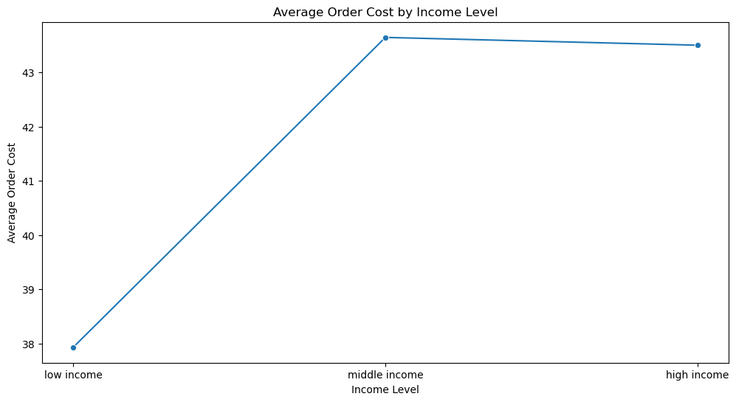

Middle and high income users tend to have more expensive orders on average

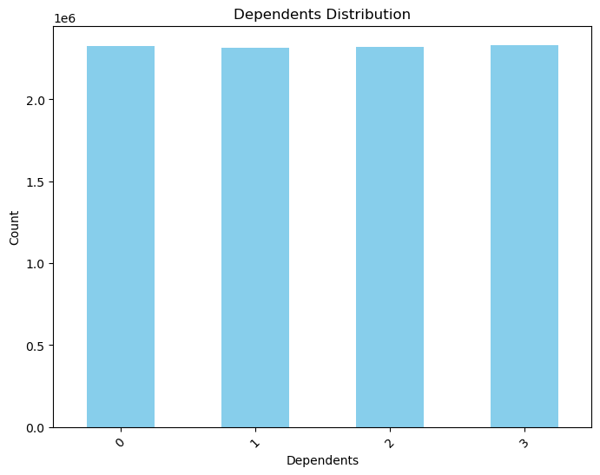

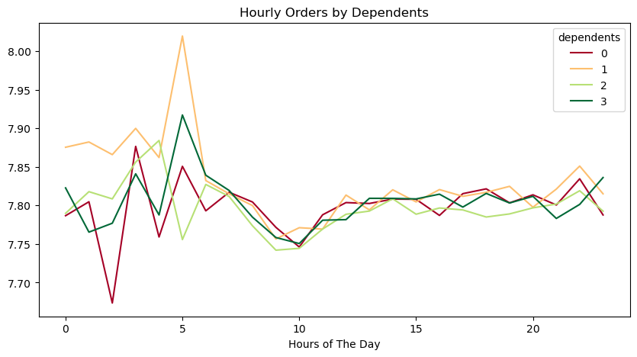

The amount of users is almost evenly split across dependents | Families with 1 dependent see a spike in the morning, while those without a dependent see a dip in the early morning

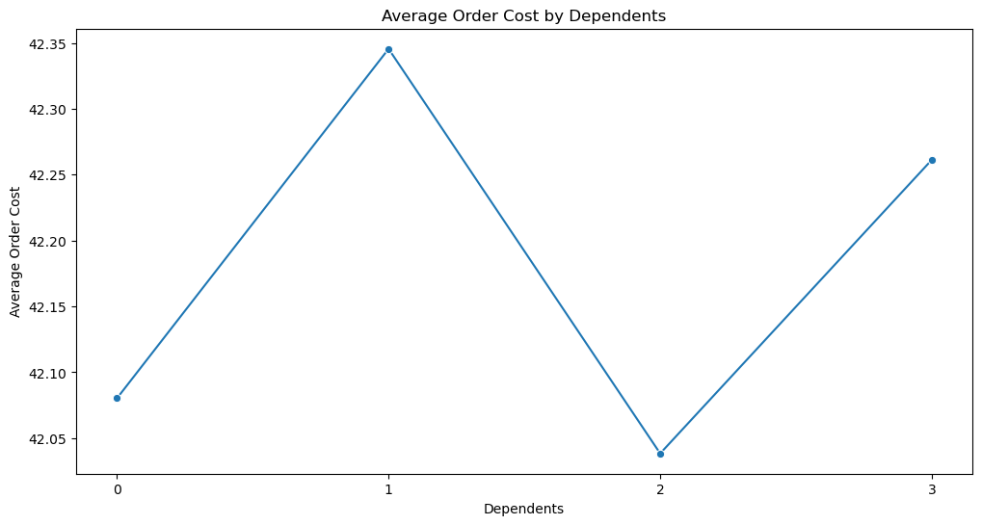

Families with 1 or 3 dependents spend more on their average order than those with 0 or 2

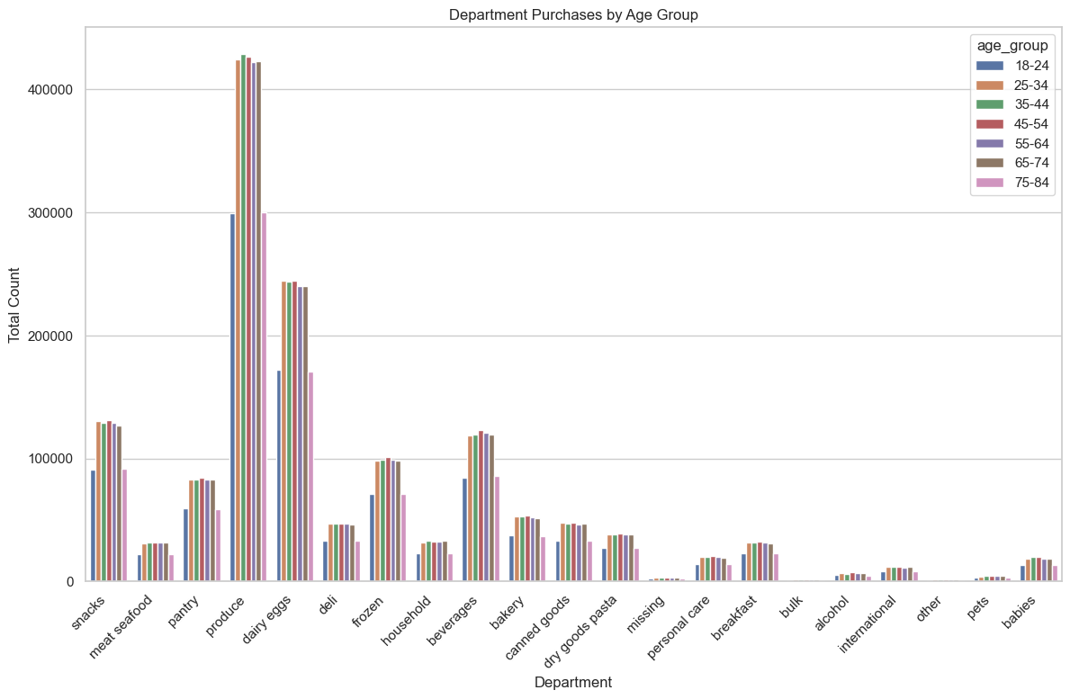
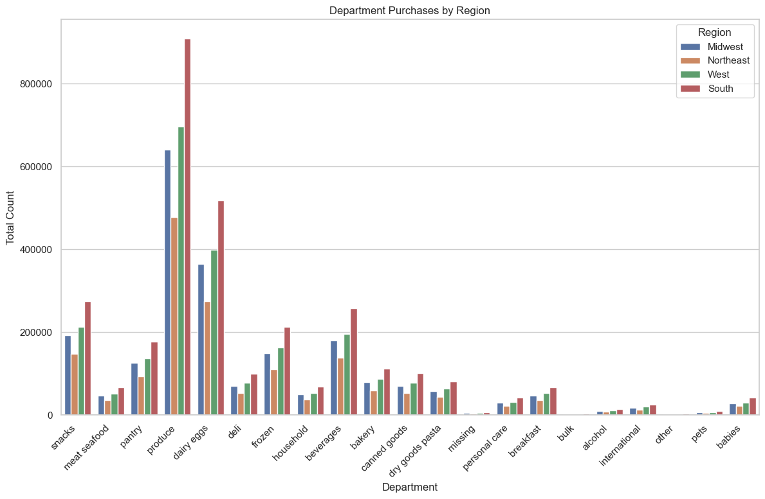

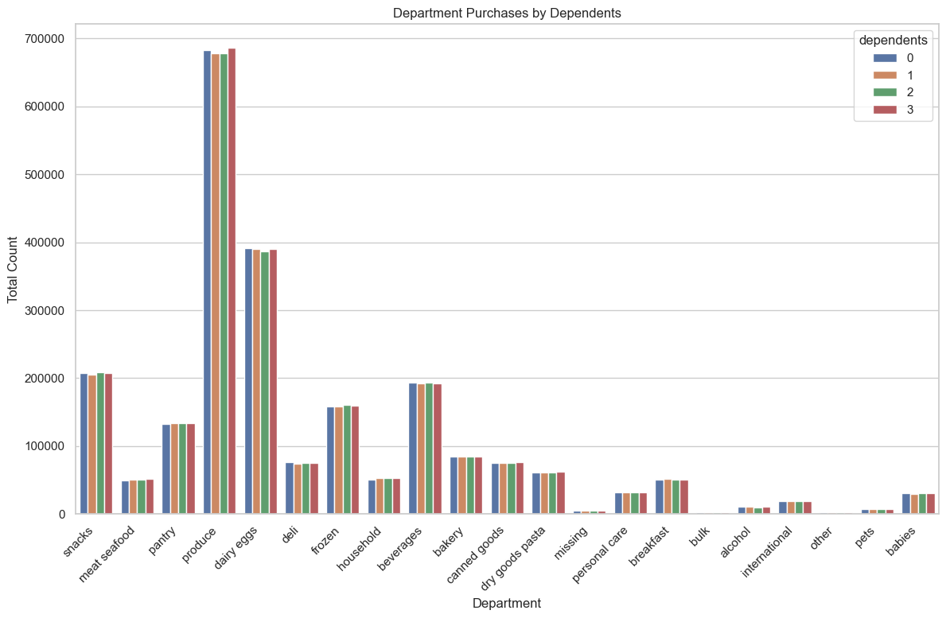
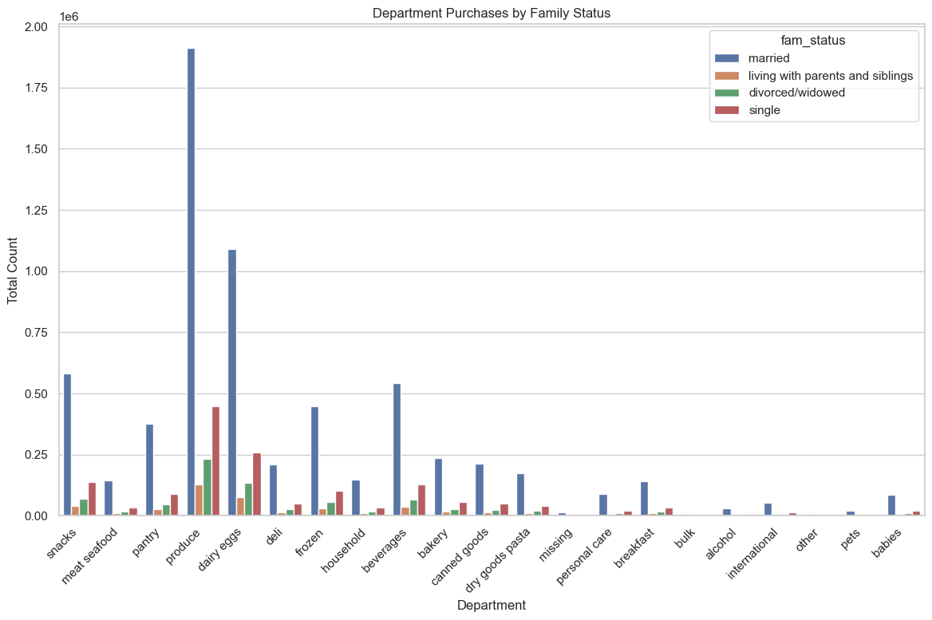
f

 | We can see that clearly, across all demographics, that produce is our number one seller, followed by dairy & eggs, then beverages and snacks at a close third

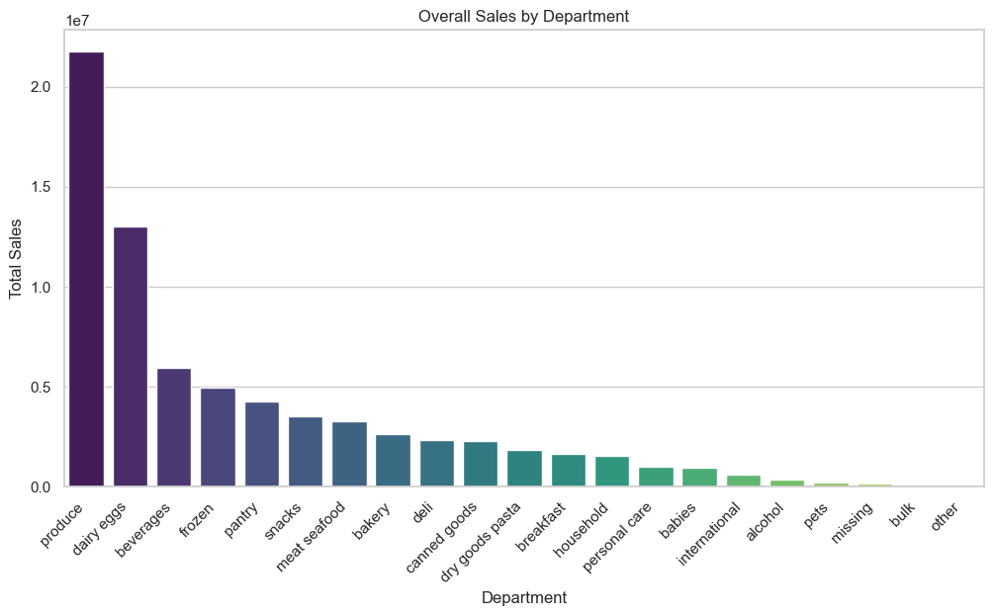
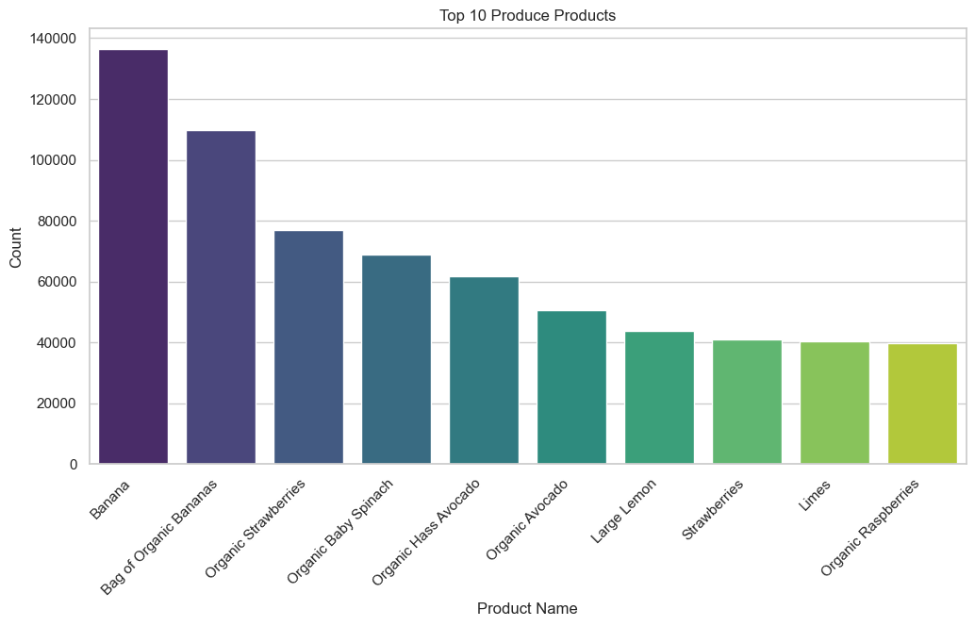

While this mostly matches the most popular departments, money made from each is slightly different. We can see that beverages makes than snacks, while pantry & frozen overtake snacks | Bananas are by far our most popular product in our most popular department, taking up both of the top 2 spots

7. Recommendations
 |  |  | Title page

Recommendations

In this tab you should include any recommendations you would made to Instcart in terms of their marketing strategy based on the questions posed in the brief. Every key question has been covered in the Tasks of the Exercises - here you need to add an item - a visualisation or table/crosstable that is showing the answer in the data, acompanied by a comment from you. Please, list the questions below and add the answer underneath.

Prices of Orders Hours
Question | Answer | Graph
The sales team need to know what the busiest days of the week and hours of the day are (i.e., the days and times with most orders) in order to schedule ads at the time when there are fewer orders | The busiest days of the week for placing orders are on the weekends. The busiest time for orders is between 9am and 4pm. I would recommend placing ads in the middle of the week and after 4pm. That's when fewer people are ordering so it can drive engagement during those slow periods. | 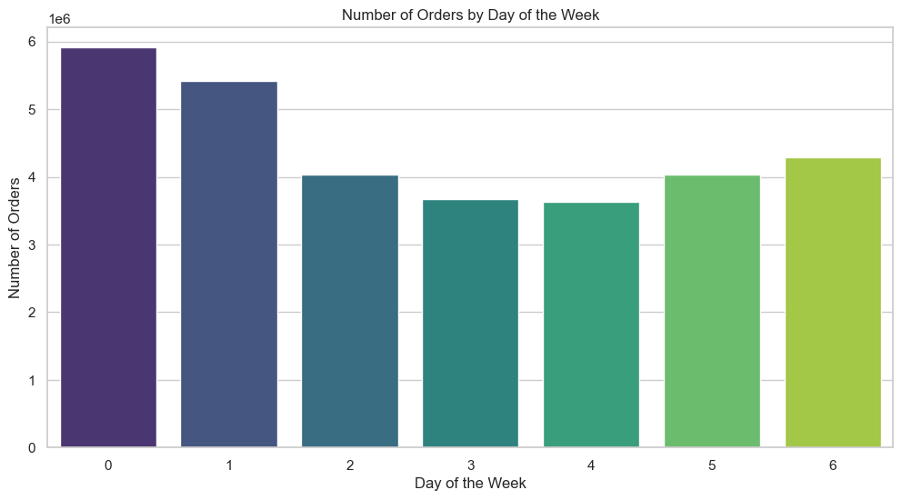
Is there a particular time of the day when people spend the most money, as this might inform the type of products they advertise at these times | Customers tend to buy cheaper products in the middle of the day, while more expensive items are bought overnight, especially around 3am. Perhaps, that is a good time to run ads for people on the app early in the day. | 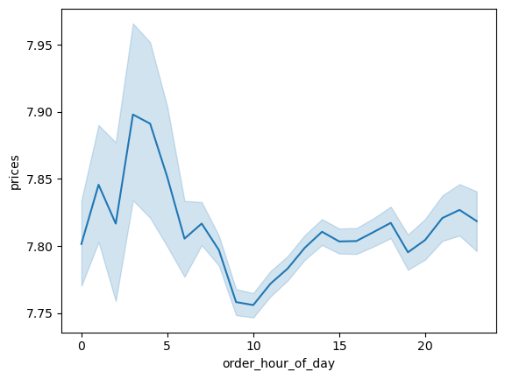
Frequency of Prices
Instacart has a lot of products with different price tags. Marketing and sales want to use simpler price range groupings to help direct their efforts | Customers don't usually go for the more expensive items at our store. Perhaps we can offer promotions on more expensive items to get them under that $15 dollar threshold. | 
Are there certain types of products that are more popular than others? The marketing and sales teams want to know which departments have the highest frequency of product orders. | Produce was the most bought product across the board, across every demographic and region. We can create a marketing strategy towards pet owners along the lines of: "While you're getting food for yourself, get some for your furry best friend too!"
What's the distribution among users in regards to their brand loyalty? (i.e., how often do they return to Instacart?) | About a third of our userbase is flagged as "loyal customer" Perhaps there are ways to attract more users with promotions and specials to rake in more new customers, or to incentivize more regular customers to become loyal ones. | 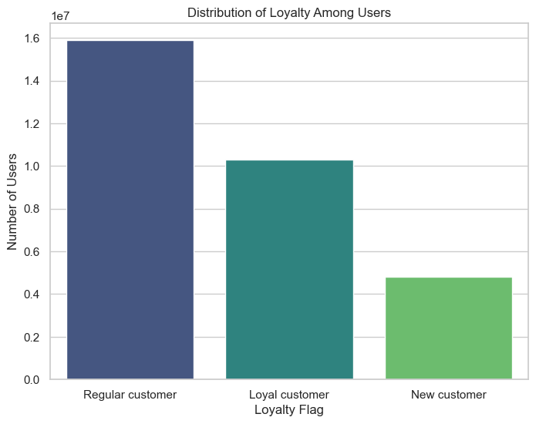
Income by Age
The marketing and sales teams are particularly interested in the different types of customers in their system and how their ordering behaviors differ. | The customer base is pretty even across the board, with about 3,200 people in each state. The biggest difference with users is income, which makes sees a jump at the age of 40 and above. That is also true for life in general, so you can either focus on them as they have more purchasing power now, or focus on building a loyal base among younger folks as they make more money later in their careers. | 

